Order
LOVELAB — [CLIENT NAME] [PACK #]
Date: [DATE] | Packaging: [COLOR] | Order by: [NAME]

NO. | QUANTITY | COLLECTION | CARAT (CT) | SHAPE | SETTING | COLOR | SIZE | MATERIAL | COLOR CORD | UNIT PRICE (EUR) | TOTAL (EUR) | PRODUCT PHOTO | CERTIFICATE
1 | 1 | SHAPY SHINE FANCY | 0.1 | Heart | Bezel | Yellow |  | Shine | Bordeaux | 55 | 55 | 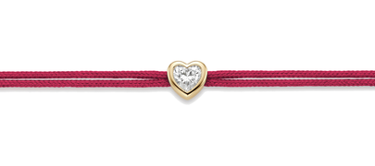 | IGI
2 | 1 | SHAPY SHINE FANCY | 0.1 | Heart | Bezel | White |  | Shine | Gold | 55 | 55 | 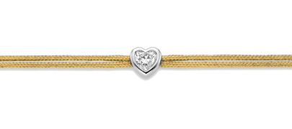 | IGI
3 | 1 | SHAPY SHINE FANCY | 0.1 | Pear | Bezel | Yellow | M | Shine | Bordeaux | 55 | 55 | 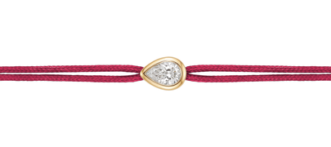 | IGI
4 | 1 | SHAPY SHINE FANCY | 0.1 | Pear | Bezel | White | M | Shine | Gold | 55 | 55 | 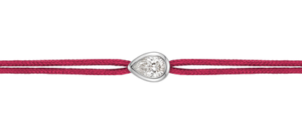 | IGI
5 | 1 | SHAPY SHINE FANCY | 0.1 | Marquise | Bezel | White | M | Shine | Bordeaux | 55 | 55 | 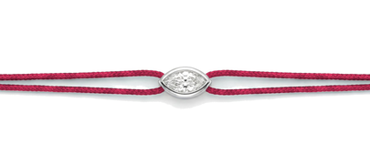 | IGI
6 | 1 | SHAPY SHINE FANCY | 0.1 | Marquise | Bezel | White | M | Shine | Gold | 55 | 55 | 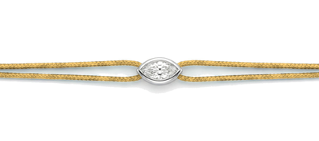 | IGI
7 | 1 | SHAPY SHINE FANCY | 0.1 | Oval | Bezel | Yellow | M | Shine | Bordeaux | 55 | 55 | 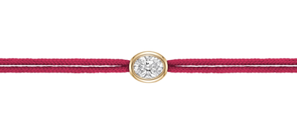 | IGI
8 | 1 | SHAPY SHINE FANCY | 0.1 | Oval | Bezel | Yellow | M | Shine | Gold | 55 | 55 | 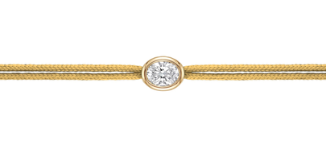 | IGI
9 | 1 | SHAPY SHINE FANCY | 0.1 | Emerald | Bezel | Yellow | M | Shine | Gold | 55 | 55 | 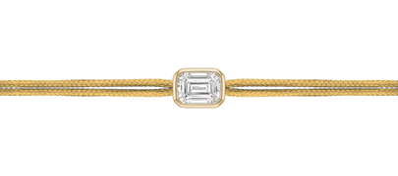 | IGI
10 | 1 | SHAPY SHINE FANCY | 0.1 | Emerald | Bezel | Yellow | M | Shine | Bordeaux | 55 | 55 | 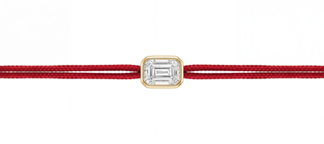 | IGI
11 | 1 | MULTI FIVE | 0.25 | — | — | White | M | Nylon | Red | 95 | 95 | 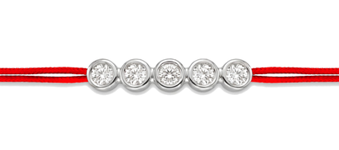 | IGI
12 | 1 | MULTI FIVE | 0.5 | — | — | Yellow | M | Nylon | Black | 130 | 130 | 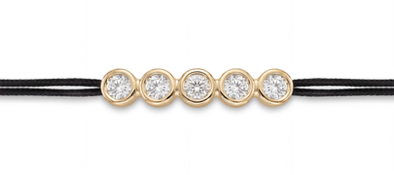 | IGI
13 | 1 | MULTI FOUR | 0.2 | — | — | White | M | Nylon | Gold | 85 | 85 | 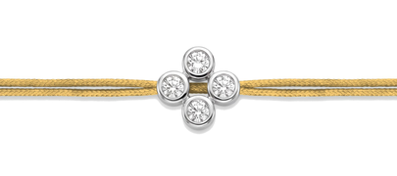 | IGI
14 | 1 | MULTI FOUR | 0.4 | — | — | Yellow | M | Nylon | Black | 110 | 110 | 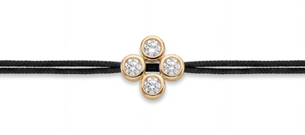 | IGI
 |  |  |  |  |  |  |  |  |  | FINAL TOTAL (EUR) | 970

